Sheet1
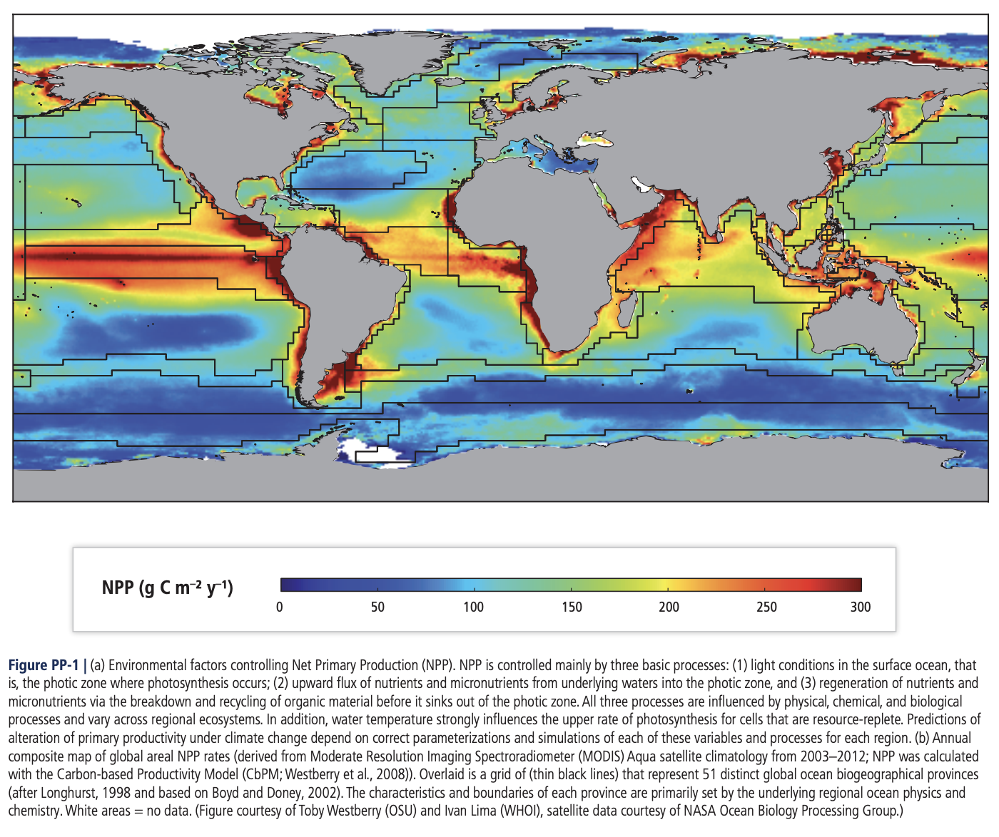
Area of the Black Sea km2 | 436,400 | https://wwf.panda.org/discover/knowledge_hub/where_we_work/black_sea_basin/#:~:text=The%20Black%20Sea%20has%20an,Southern%20Bug%2C%20Dniester%20and%20Don.
Air sea flux of O2 (mols/m2/yr) | 17.196205175
o2 air sea flux (mols/yr) | 7.5044239385E+12
black sea area m2 | 436400000000

OR FROM SOURCE | 130 g/C/yr/m2
https://bg.copernicus.org/articles/1/33/2004/bg-1-33-2004.pdf
mol/C/yr /m2 | 10.823682217
mol/o2/yr | 4.7234549194E+12

 |  |  | red | 3 | 280
 |  |  | orange | 6 | 230
 |  |  | green | 5 | 150
 |  |  | yellow | 12 | 200
 |  |  |  |  |  | 206.53846154 | grams of carbon per m2 per year
 |  |  |  |  | 280 | 17.196205175 | mols of o2 per m2 per year
 |  |  |  |  | 280
 |  |  |  |  | 280
 |  |  |  |  | 230
 |  |  |  |  | 230
 |  |  |  |  | 230
 |  |  |  |  | 230
 |  |  |  |  | 230
 |  |  |  |  | 230
 |  |  |  |  | 150
 |  |  |  |  | 150
 |  |  |  |  | 150
 |  |  |  |  | 150
 |  |  |  |  | 150
 |  |  |  |  | 200
 |  |  |  |  | 200
 |  |  |  |  | 200
 |  |  |  |  | 200
 |  |  |  |  | 200
 |  |  |  |  | 200
 |  |  |  |  | 200
 |  |  |  |  | 200
 |  |  |  |  | 200
 |  |  |  |  | 200
 |  |  |  |  | 200
 |  |  |  |  | 200

